ResourcesForDataExtraction
https://uk.mathworks.com/help/stats/machine-learning-in-matlab.html
https://developer.ibm.com/articles/cc-machine-learning-deep-learning-architectures/

 | Type of machine learning model | Type of deep learning model

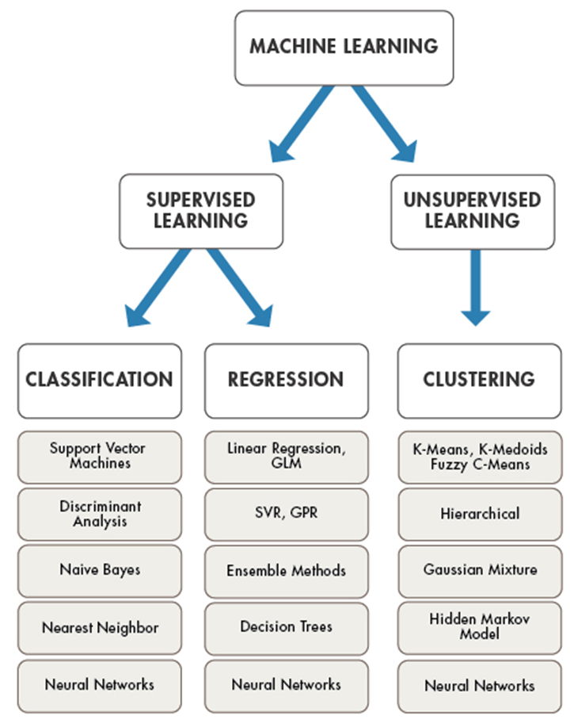
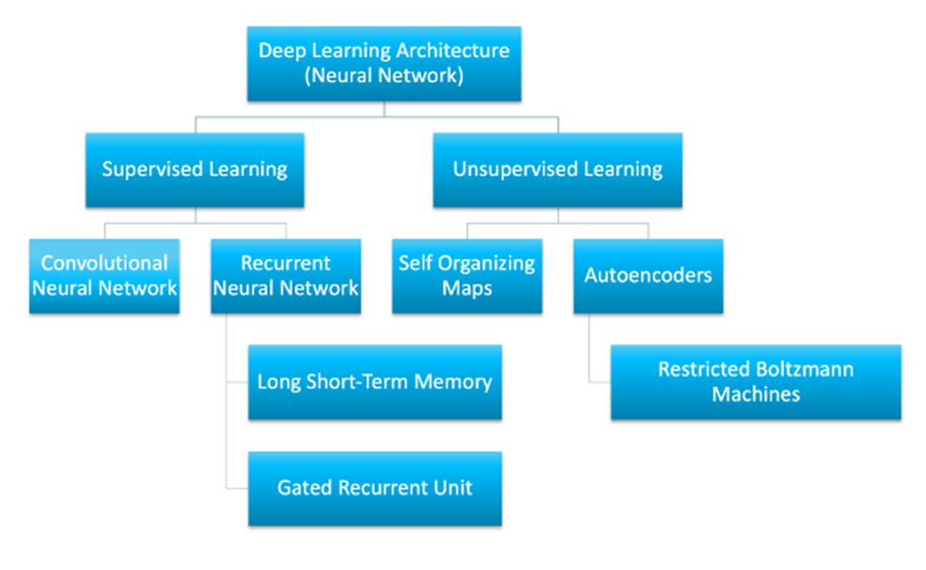

 |  | Type of Learning (Note that semi-supervised is missing)

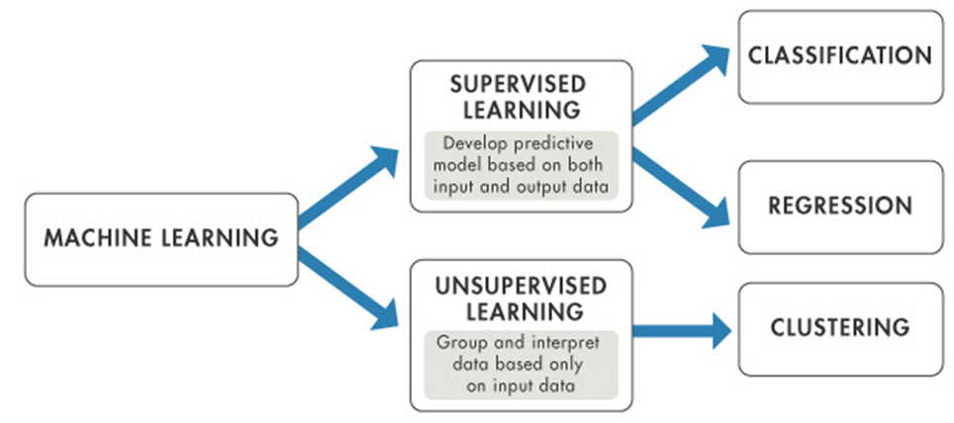

 |  | "Semi-supervised learning is an approach to machine learning that combines a small amount of labeled data with a large amount of unlabeled data during training." For instance, we have only labels for normal operational behaviour and we are trying to detect abnormal behaviours

